Executive Summary
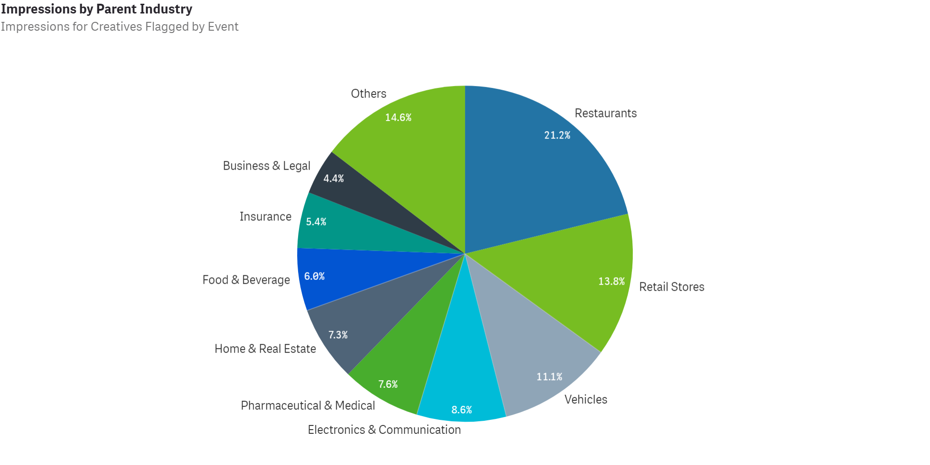
Creatives During COVID-19
Executive Summary

Many brands and organizations have quickly responded to the COVID-19 pandemic with relevant creatives and new sales, deals and calls to action.
We took a look at all COVID-19 related creatives aired between 02/26/20 - 08/16/20 (see tab 2) and identified key stats and trends:

Overall Stats
• 956 brands across 15 industries aired COVID-19 related commercials
• There have been a total of 2,187 spots amounting to 361.8B Impressions
• These spots average a 92.94 Attention Score

Key Insights
• With 20 additional brands now addressing the COVID-19 pandemic, there was also a 3.1% increase in COVID-19 related creatives from the previous week.
• The Restaurant industry continued to lead in terms of impression share (21.2%) while Retail Stores (13.8%) and Vehicles (11.1%) followed.
• Within the Restaurant Industry, QSRs (48.7%) accounted for the majority of impressions coming from COVID-19 related creative, while Pizza restaurants (35.7%) followed.
• Looking at the Retail industry, Amazon holds a firm lead when it comes to impressions from COVID-19 minded creatives with 17.9%
• For reference, Walmart (9.9%) and Lowe's (9.8%) came in 2nd and 3rd behind the online retailer.
• In the auto maker category, Ford now leads as the loudest voices addressing the COVID-19 pandemic with 11.6% of industry impressions each.
• FCA follows closely in second (11.5%) while Lincoln Motor Company (9.0%) comes in 3rd.

