Executive Summary
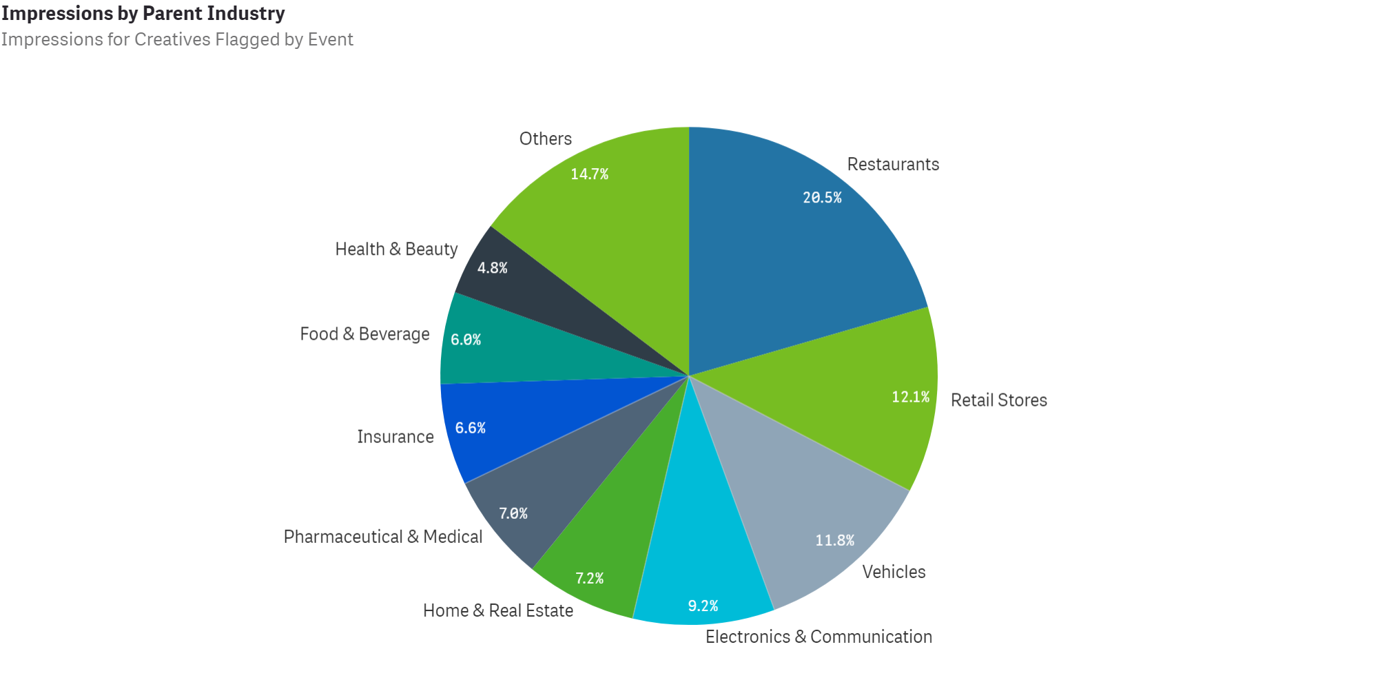
Creatives During COVID-19
Executive Summary

Many brands and organizations have quickly responded to the COVID-19 pandemic with relevant creatives and new sales, deals and calls to action.
We took a look at all COVID-19 related creatives aired between 02/26/20 - 07/05/20 (see tab 2) and identified key stats and trends:

Overall Stats
• 828 brands across 15 industries aired COVID-19 related commercials
• There have been a total of 1,826 spots amounting to 273.6B Impressions
• These spots average a 92.97 Attention Score

Key Insights
• With 13 additional brands now addressing the COVID-19 pandemic, there was also a 3.6% increase in COVID-19 related creatives from the previous week.
• The Restaurant industry continued to lead in terms of impression share (20.5%) while the Vehicle industry (12.1%) and Retail Stores (11.8%) followed.
• Within the Restaurant Industry, QSRs (50.5%) accounted for the majority of impressions coming from COVID-19 related creative, while Pizza restaurants (36.1%) followed.
• In the auto maker category, FCA remains the loudest voice addressing the COVID-19 pandemic with 12.9% of industry impressions.
• Lincoln Motor Company (10.1%) accounts for the second most impressions while Ford (9.8%) narrowly surpassed Toyota for 3rd.
• Ford's most recent creatives are focused on 'Getting Back to It' and going 'Back to Moving Forward' as reopenings loom.

