Executive Summary
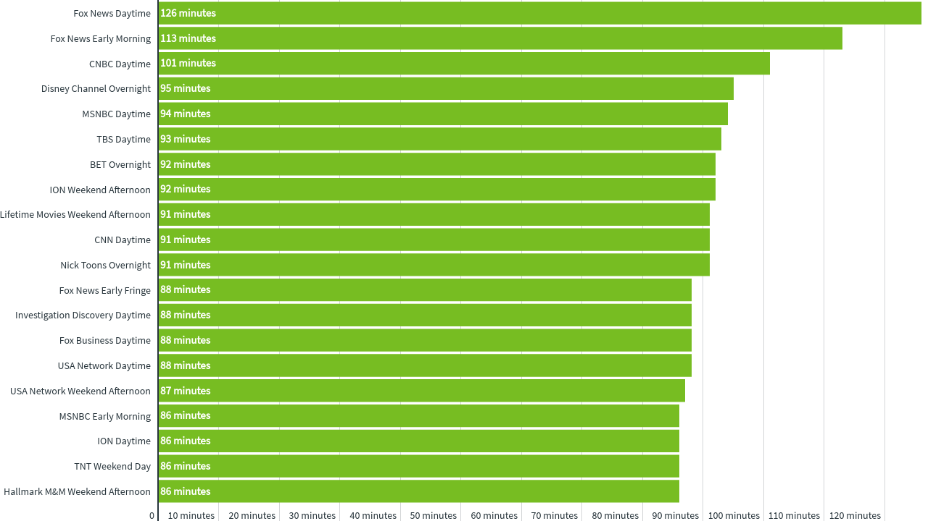
COVID-19: NFL Audience Trends
Executive Summary
Many brands and organizations are looking to respond to the COVID-19 pandemic with precise targeting and sound demographic intelligence.
In this analysis we identify network & daypart viewership trends among NFL audiences during the COVID-19 pandemic.

Key Insights
• Driven by the NFL draft, ABC (38%), ESPN (34%) and NFL Network Primetime (17%) saw strong reach among NFL audiences.
• Of the three, ESPN Primetime (+68%) experienced the largest WoW increase in average time viewed.
• ESPN Late Fringe PM also saw strong segment reach (30%) and a staggering 194% WoW increase in average time viewed.
• Although ABC led the major broadcast networks during Primetime with 38% reach among NFL audiences, CBS (36%), NBC (34%), and FOX (26%) Primetime all saw strong segment reach as well.
• In terms of weekly viewership, ABC (+16%) and FOX (+8%) Primetime saw WoW increases in average time viewed while NBC (-16%) and CBS (-4%) Primetime saw declines.
• When looking at Cable News, Fox News outperformed CNN and MSNBC in terms of NFL segment reach.
• In particular, Fox News Early Fringe and Primetime both saw 13% reach among NFL audiences.

Top 20 Network Daypart Combinations - Average Time Viewed by NFL Audiences

Methodology
2019-2020 NFL VIEWING SEGMENT
MON APR 20 THROUGH SUN APR 26

For this analysis we created a segment of TV viewing households that watched at least 1600 minutes of NFL games during the 2019-2020 season. iSpot's proprietary media measurement platform allows us to understand the networks and dayparts that those households are currently viewing, providing our clients the ability to target that same valuable audience today.

Glossary:

Network Family | The name of the media holding company that owns the Network.
Network | The name of the network where the media is being delivered.
Daypart | The daypart when the media is being delivered. See daypart definitions below (all times in EST):


Category | The type or genre of the primary programming of the Network. Classified as the following: Network (National), Sports, News, Children, Spanish or General Cable.
 | Please note that Network represents national programming on the broadcast networks (i.e. local news is excluded from this report).

Weekly Segment Reach | The weekly total reach of a given network/daypart combination for households that watched at least 1600 minutes of NFL games during the 2019 season.

Incremental Segment Reach | The relative difference in reach percentage of the segment against the reach percentage of the general population for the network/daypart.

Avg Time Viewed | The average number of minutes that the segment spent watching a network/daypart combination during the week. This number only include those that are in the segment AND tuned into this network/daypart at least once during the week - in other words, the average does not include zeros for those who didn't tune in at all.

WoW Change in Time Viewed | The relative difference in viewership time for a network/daypart compared to the prior week.

Incremental Segment Reach Chart
Incremental Segment Reach 4.20-4.26
 | Total
Telemundo | -0.69005585594
UniMas | -0.68506404627
Univision | -0.62490302906
Galavision | -0.61082514366
NBC Universo | -0.60181211577
TUDN | -0.51392921482
Hallmark Movies & Mysteries | -0.28853872111
Cartoon Network | -0.28476611814
UP TV | -0.22483827466
Hallmark | -0.22411978473
Discovery Life Channel | -0.20368599949
Lifetime Movies | -0.17162497639
Nick Toons | -0.16040061767
TLC | -0.15253849432
Adult Swim | -0.14054202232
INSP | -0.13141731756
Logo | -0.1301751947
Disney XD | -0.12635327281
WE TV | -0.12591066444
Teen Nick | -0.12022783226
Travel | -0.10819919778
Nick | -0.10645536564
RFD TV | -0.10608054942
Nick@Nite | -0.10500364721
Investigation Discovery | -0.10321401988
Oprah Winfrey Network | -0.1023429309
Lifetime | -0.072518912065
OXYGEN | -0.068162156322
VH1 | -0.065075963148
Disney Channel | -0.062880819044
Nick Jr. | -0.047020849203
ION | -0.045623874724
PBS | -0.04388246346
BET | -0.042789132044
Discovery Family Channel | -0.022879666218
E! | -0.022081857325
TV LAND | -0.016886191123
Headline News | -0.012699495081
CW | -0.0037781850462
Disney Junior US | -0.0024690030929
CMTV | -0.0016630110682
Freeform | -0.0012652665461
Great American Country | 0.0061786823069
BRAVO | 0.01165985134
POP | 0.015037538682
SYFY | 0.015910755507
Universal Kids | 0.016269501877
Weather Channel | 0.016450060536
National Geographic Wild | 0.02007197249
BET Her | 0.02050602005
...

