Executive Summary
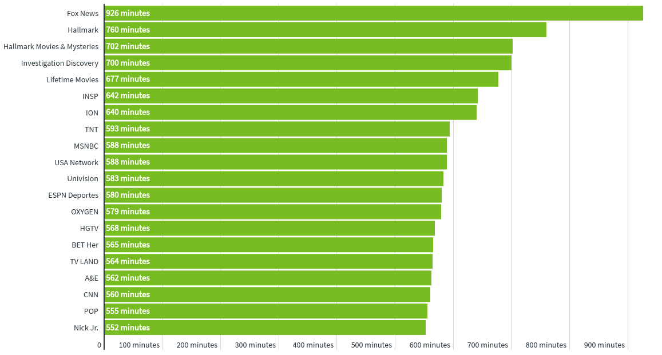
COVID-19: NASCAR Audience Trends
Executive Summary
Many brands and organizations are looking to respond to the COVID-19 pandemic with precise targeting and sound demographic intelligence.
In this analysis we identify network & daypart viewership trends among NASCAR audiences during the COVID-19 pandemic.

Key Insights
• Primetime is seeing the most overall segment reach; however, Early Fringe and Weekend Afternoon saw the greatest WoW increases in NASCAR audience viewership.
• While ABC, CBS, FOX and NBC Primetime are seeing the most reach among NASCAR audiences, viewership is waning for some of those networks WoW.
• NBC (-21%) and ABC (-8%) Primetime are seeing WoW decreases in average time viewed.
• Conversely, CBS saw a +14% WoW increase in average minutes watched during Primetime while leading all broadcast networks in average minutes viewed (111 minutes).
• FOX Primetime ranked 4th among the broadcast networks in segment reach, but saw a modest +6% WoW increase in viewership.
• CBS Early Fringe is a well rounded network daypart combo to target for NASCAR audienes as it's seeing strong segment reach and growing viewership.
• CBS Early Fringe saw 21% reach among NASCAR audiences while experiencing a 14% jump in average time viewed WoW.
• While reach is down across most dayparts for Fox Sports 1, Weekend Afternoon and Primetime are still valuable network daypart combos for targeting NASCAR audiences.
• FOX Sports 1 is seeing decent segment reach for Weekend Afternoon (20%) and Primetime (10%) and also experiencing WoW increases in average time viewed (+17% and +34%, respectively).

Top 20 Networks by NASCAR Audience Viewership

Methodology
2019 NASCAR VIEWING SEGMENT
MON MAR 30 THROUGH SUN APR 5

For this analysis we created a segment of TV viewing households that watched at least four races during the 2020 NASCAR season before the season was suspended. iSpot's proprietary media measurement platform allows us to understand the networks and dayparts that those households are currently viewing, providing our clients the ability to target that same valuable audience today.

Glossary:

Network Family | The name of the media holding company that owns the Network.
Network | The name of the network where the media is being delivered.
Daypart | The daypart when the media is being delivered. See daypart definitions below (all times in EST):


Category | The type or genre of the primary programming of the Network. Classified as the following: Network (National), Sports, News, Children, Spanish or General Cable.
 | Please note that Network represents national programming on the broadcast networks (i.e. local news is excluded from this report).

Weekly Segment Reach | The weekly total reach of a given network/daypart combination for households that watched at least four races during the 2020 NASCAR season.

Incremental Segment Reach | The relative difference in reach percentage of the segment against the reach percentage of the general population for the network/daypart.

Avg Time Viewed | The average number of minutes that the segment spent watching a network/daypart combination during the week. This number only include those that are in the segment AND tuned into this network/daypart at least once during the week - in other words, the average does not include zeros for those who didn't tune in at all.

WoW Change in Time Viewed | The relative difference in viewership time for a network/daypart compared to the prior week.

Incremental Net, Day Reach
Incremental Segment Reach - 3.30-4.5
 | Total
Galavision | -0.94207060632
Univision | -0.90372098125
UniMas | -0.89708017051
ESPN Deportes | -0.89430518088
TUDN | -0.85741999949
BET Her | -0.81497044577
Telemundo | -0.81282209272
VH1 | -0.73419479302
BET | -0.69481690951
NBC Universo | -0.6938506225
TV ONE | -0.62294050396
MTV2 | -0.60578276285
Cartoon Network | -0.60182576998
NBA TV | -0.5690205681
Nick Toons | -0.51684966709
Disney Channel | -0.47584532898
Nick Jr. | -0.45237018291
Disney XD | -0.42969057186
Teen Nick | -0.39992444527
Nick | -0.39739838705
Adult Swim | -0.39101657949
Oprah Winfrey Network | -0.37648866758
Nick@Nite | -0.37359851709
Lifetime Movies | -0.3490167197
Universal Kids | -0.34117345417
Tennis Channel | -0.33801136237
Disney Junior US | -0.32381883199
MSNBC | -0.29971850353
BRAVO | -0.25944710029
Lifetime | -0.24744934897
CNN | -0.24686833127
Logo | -0.2433267217
E! | -0.21628829459
MyNetworkTV | -0.16706061931
TLC | -0.15178442601
Discovery Life Channel | -0.14416001357
WE TV | -0.10422732314
MTV | -0.08526886242
FX | -0.046223592798
PAC-12 Network | -0.043118650498
Comedy Central | -0.041495794986
Freeform | -0.017095421784
CNBC | 0.014310489689
HGTV | 0.015774479642
ESPN | 0.023199836012
OXYGEN | 0.032070725577
Hallmark Movies & Mysteries | 0.034470625575
Bloomberg HD | 0.042262319764
SYFY | 0.047276067556
truTV | 0.047445598111
...

