Executive Summary
COVID-19: PGA Audience Trends
Executive Summary
Many brands and organizations are looking to respond to the COVID-19 pandemic with precise targeting and sound demographic intelligence.
In this analysis we identify network & daypart viewership trends among PGA audiences during the COVID-19 pandemic.

Key Insights
• Primetime saw the most reach among PGA audiences while Daytime experienced the most average minutes watched over the course of the week.
• Although we see the 2nd most viewership in the early fringe daypart, it's starting to trend downwards WoW with the exception of networks like CNBC (+10%), History Channel (+6%), and ABC (+3%).
• During Primetime, the 4 major broadcast networks (NBC, ABC, CBS, FOX) saw the most reach among PGA audiences.
• In particular, NBC Primetime saw the highest reach (44.05%) while CBS saw the highest WoW increase in Average Time Viewed (+7.5%).
• For reference, FOX Primetime saw the lowest reach (24%) and Average Time Viewed (78 minutes) among the 4 major broadcast networks.
• As more people are staying home, Early Morning saw the highest WoW increase among all dayparts in Average Time Viewed.
• NBC Early Morning had highest incremental segment reach at 64% while ABC Early Morning saw the largest increase (+21%) in WoW viewership
• CNBC stands out for cable news with a 115% incremental segment reach in addition to a 41% increase in WoW viewership while Fox News only saw a 10% increase during this daypart
• When looking at Daytime, cable news networks like Fox News and CNBC performed well in terms of viewership.
• Fox News Daytime saw the highest Average Time Viewed (239 minutes) while CNBC Daytime saw the 4th highest Average Time Viewed and also experienced strong WoW growth in viewership (+34%).

Top 20 Networks by PGA Audience Viewership

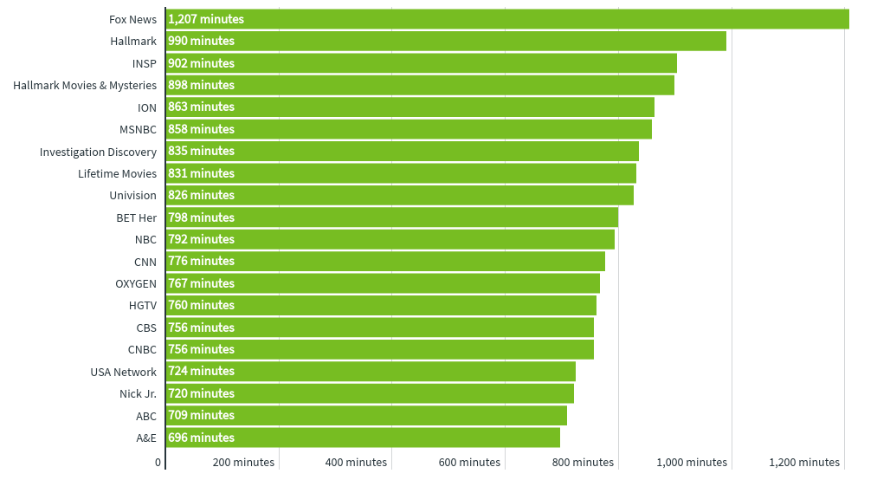

 | f

Methodology
2020 PGA Audience Viewership
MON MAR 23 THROUGH SUN MAR 29

For this analysis we created a segment of TV viewing households that watched at least two hours of PGA programming in 2020 . iSpot's proprietary media measurement platform allows us to understand the networks and dayparts that those households are viewing in 2020, allowing our clients to target that same valuable audience while PGA tournatments are suspended in response to the COVID-19 pandemic.

Glossary:

Network Family | The name of the media holding company that owns the Network.
Network | The name of the network where the media is being delivered.
Daypart | The daypart when the media is being delivered. See daypart definitions below (all times in EST):


Category | The type or genre of the primary programming of the Network. Classified as the following: Network (National), Sports, News, Children, Spanish or General Cable.
 | Please note that Network represents national programming on the broadcast networks (i.e. local news is excluded from this report).

Weekly Segment Reach | The weekly total reach of a given network/daypart combination for households that watched at least two hours of PGA programming in early 2020.

Incremental Segment Reach | The relative difference in reach percentage of the segment against the reach percentage of the general population for the network/daypart.

Avg Time Viewed | The average number of minutes that the segment spent watching a network/daypart combination during the week. This number only include those that are in the segment AND tuned into this network/daypart at least once during the week - in other words, the average does not include zeros for those who didn't tune in at all.

WoW Change in Time Viewed | The relative difference in viewership time for a network/daypart compared to the prior week.

Incremental Segment Reach Chart
Incremental Segment Reach - 3.23-3.29
 | Total
Galavision | -0.90455421421
UniMas | -0.8878907805
Univision | -0.86951000889
NBC Universo | -0.86120929742
Telemundo | -0.84992148386
ESPN Deportes | -0.81758589341
TUDN | -0.80349001172
MTV2 | -0.72423123805
BET | -0.68287313572
Cartoon Network | -0.67766734487
TV ONE | -0.64440771289
Nick Toons | -0.64274449531
VH1 | -0.63306236975
Nick | -0.57646843808
Lifetime Movies | -0.52167866683
Disney Channel | -0.5055526845
Adult Swim | -0.50321778998
BET Her | -0.48309290965
Disney XD | -0.46215265342
Nick Jr. | -0.43205347196
Discovery Life Channel | -0.41023375644
Universal Kids | -0.36713983488
WE TV | -0.36697743933
Investigation Discovery | -0.36600983933
Logo | -0.36465110065
Disney Junior US | -0.35914895588
Oprah Winfrey Network | -0.3484895619
Travel | -0.33303419823
Lifetime | -0.32363035646
TLC | -0.32038054347
Nick@Nite | -0.3184587685
FXDEP | -0.29797263097
MTV | -0.25112520226
UP TV | -0.24227662092
OXYGEN | -0.2165110105
Discovery Family Channel | -0.20694090497
Freeform | -0.20351569478
E! | -0.1792608851
FXX | -0.16315465054
Hallmark Movies & Mysteries | -0.15436764242
truTV | -0.14095774205
Headline News | -0.13911721828
Hallmark | -0.12337025463
USA Network | -0.1224475167
A&E | -0.12143799784
INSP | -0.12029202477
ION | -0.11777746844
CMTV | -0.10718024128
FX | -0.10625674915
CW | -0.078641148531
...

